Sheet4
DL |  |  | VL |  |  | DM |  |  | VM
Baseline | QP(10uM) | (%) | Baseline | QP(10uM) | (%) | Baseline | QP(10uM) | (%) | Baseline | QP(10uM) | (%)
218.8504 | 223.5537 | 102.14909363 | 168.2789 | 167.4957 | 99.534582173 | 208.13 | 273.2163 | 131.27194542 | 267.6946 | 241.5211 | 90.222626829
225.8517 | 138.1098 | 61.15065771 | 235.8844 | 200.7994 | 85.12618893 | 216.9627 | 154.6907 | 71.298292287 | 324.6581 | 204.3472 | 62.942276814
241.3341 | 162.2195 | 67.217811325 | 275.7519 | 160.0964 | 58.05813124 | 172.3332 | 146.2043 | 84.838150745 | 449.9733 | 190.0816 | 42.242861965
285.4137 | 108.9966 | 38.188986723 | 352.3875 | 180.1335 | 51.118016388 | 662.0107 | 464.3984 | 70.149681871 | 719.7571 | 194.7672 | 27.060129035
714.6915 | 179.5038 | 25.116263451 | 167.6763 | 120.0809 | 71.614712395 | 237.2314 | 162.2693 | 68.40127403 | 514.6249 | 367.8141 | 71.472270386
362.383 | 184.6499 | 50.954349404 | 221.8785 | 145.5435 | 65.596035668 | 186.8151 | 140.8067 | 75.372226335 | 583.3966 | 629.1992 | 107.85102279
253.2881 | 142.0709 | 56.090633551 | 582.569 | 163.26 | 28.024148212 | 192.9511 | 190.6543 | 98.809646589 | 467.5863 | 299.4264 | 64.036606718
183.9915 | 166.8366 | 90.676254066 | 231.8406 | 220.7475 | 95.215203894 | 250.7368 | 172.9852 | 68.99075046 | 204.01316 | 134.82187 | 66.084888838
346.7049 | 266.1339 | 76.760928386 | 107.2096 | 94.46623 | 88.113592439 | 202.9603 | 159.6914 | 78.681101674 | 182.87923 | 123.80085 | 67.695412978
268.7676 | 130.0598 | 48.391175127 | 146.4538 | 181.4847 | 123.91942032 | 145.86622 | 158.05195 | 108.35404523 | 251.08262 | 129.98217 | 51.768684746
316.6058 | 140.1542 | 44.267729776 |  |  |  | 364.89534 | 151.7111 | 41.576606596 | 186.45203 | 149.08328 | 79.957981686
223.4904 | 125.5524 | 56.177983484 |  |  |  | 309.8666 | 161.5403 | 52.13220786 | 299.72705 | 189.20233 | 63.12487645
230.4808 | 128.8489 | 55.904396375 |  |  |  | 247.4071 | 228.6164 | 92.40494715 | 537.83852 | 222.27302 | 41.327092005
373.9009 | 171.4932 | 45.865950042 |  |  |  | 230.9121 | 173.9745 | 75.342305579 | 221.0381 | 232.47581 | 105.17454231
187.4059 | 174.2926 | 93.002728303 |  |  |  | 122.95267 | 131.5042 | 106.95513973 | 249.17953 | 184.0066 | 73.844990397
239.4857 | 178.534 | 74.548918787 |  |  |  | 146.87687 | 145.4818 | 99.050177199 | 193.71139 | 156.85856 | 80.975393342
243.7916 | 269.4997 | 110.54511312 |  |  |  | 172.2967 | 173.5916 | 100.75155241 | 205.70854 | 147.24957 | 71.581651399
216.765 | 122.8698 | 56.683412913 |  |  |  | 275.1396 | 170.8733 | 62.104219095 | 252.76589 | 150.50354 | 59.542662184
184.108 | 191.8098 | 104.18330545 |  |  |  | 147.641 | 169.3156 | 114.6806104 | 318.85761 | 194.23278 | 60.915209143
210.1506 | 131.885 | 62.757374949 |  |  |  | 161.5502 | 173.6511 | 107.49048902 | 405.2785 | 244.42971 | 60.311541323
215.3343 | 152.6326 | 70.881694184 |  |  |  | 192.4087 | 251.7539 | 130.84330386 | 345.3457 | 134.42928 | 38.926003712
412.3913 | 308.5863 | 74.828518448 |  |  |  | 135.5488 | 126.0689 | 93.006282608 | 256.35879 | 141.64617 | 55.253096646
264.4125 | 246.3337 | 93.162653052 |  |  |  | 147.7935 | 155.1148 | 104.95373613 | 204.6915 | 137.56889 | 67.207915326
247.6308 | 236.8 | 95.626230663 |  |  |  | 189.1528 | 199.4244 | 105.43031877 | 483.79759 | 234.96348 | 48.566484178
245.587 | 206.9474 | 84.266431041 |  |  |  | 216.907 | 239.0376 | 110.20280581 | 263.55916 | 243.10058 | 92.237575807
172.711 | 145.0211 | 83.967494832 |  |  |  | 316.8916 | 392.7404 | 123.93525104 | 204.25719 | 212.0222 | 103.80158466
242.7164 | 179.1325 | 73.803212309 |  |  |  | 234.1928 | 203.8271 | 87.033888318 | 285.30638 | 171.37752 | 60.067889123
257.757 | 263.3613 | 102.17425715 |  |  |  |  |  |  | 491.4084 | 240.66897 | 48.975347186
334.8443 | 179.7304 | 53.675812908 |  |  |  |  |  |  | 342.61988 | 290.94646 | 84.918148941
270.7332 | 118.3647 | 43.720053543 |  |  |  |  |  |  | 263.77544 | 185.21922 | 70.218523756
195.6751 | 124.0148 | 63.377915739 |  |  |  |  |  |  | 340.64882 | 227.86567 | 66.891665734
441.4896 | 205.6718 | 46.585876542 |  |  |  |  |  |  | 348.81946 | 191.79824 | 54.984959841
164.966 | 118.3277 | 71.728538002 |  |  |  |  |  |  | 261.01638 | 157.76232 | 60.441540106
319.2964 | 141.6989 | 44.37848344 |  |  |  |  |  |  | 311.1233 | 315.99324 | 101.56527653
298.4523 | 158.0618 | 52.960489834 |  |  |  |  |  |  | 302.45141 | 279.33312 | 92.3563623
223.8189 | 150.7355 | 67.347082842 |  |  |  |  |  |  | 243.98751 | 180.1341 | 73.829230029
311.1157 | 201.6585 | 64.817847508 |  |  |  |  |  |  | 227.22083 | 290.05209 | 127.65206869
328.3369 | 169.997 | 51.77517361 |  |  |  |  |  |  | 230.00987 | 187.17613 | 81.377433934
 |  |  |  |  |  |  |  |  | 251.38423 | 132.48499 | 52.7021882
* N = bouton number |  |  |  |  |  |  |  |  | 243.02707 | 208.91177 | 85.962345676
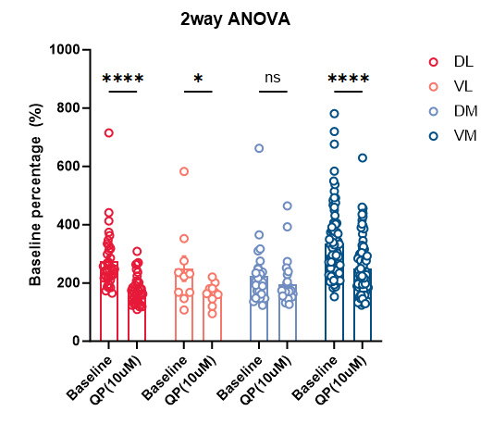
 |  |  |  |  |  |  |  |  | 275.07567 | 170.71491 | 62.061072141
 |  |  |  |  |  |  |  |  | 152.69335 | 146.33396 | 95.835188631
 |  |  |  |  |  |  |  |  | 304.57597 | 176.16476 | 57.839349572
 |  |  |  |  |  |  |  |  | 214.18499 | 158.07258 | 73.801894334
 |  |  |  |  |  |  |  |  | 207.71579 | 157.99057 | 76.060934029
 |  |  |  |  |  |  |  |  | 475 | 345.40521 | 72.716886316
 |  |  |  |  |  |  |  |  | 275.2024 | 271.11576 | 98.51504202
 |  |  |  |  |  |  |  |  | 492.55721 | 301.38002 | 61.186805082
 |  |  |  |  |  |  |  |  | 374.13975 | 196.7147 | 52.57786696
 |  |  |  |  |  |  |  |  | 431.13025 | 455.44725 | 105.64029084
 |  |  |  |  |  |  |  |  | 331.30016 | 395.84398 | 119.48197671
 |  |  |  |  |  |  |  |  | 250.93703 | 284.72879 | 113.46623095
 |  |  |  |  |  |  |  |  | 290.12371 | 194.6842 | 67.103857179
 |  |  |  |  |  |  |  |  | 549.52588 | 145.71496 | 26.516487267
 |  |  |  |  |  |  |  |  | 222.84981 | 219.51552 | 98.503795
 |  |  |  |  |  |  |  |  | 285.73296 | 291.06633 | 101.8665575
 |  |  |  |  |  |  |  |  | 320.50841 | 225.0821 | 70.226581574
 |  |  |  |  |  |  |  |  | 233.59978 | 197.11852 | 84.383007552
 |  |  |  |  |  |  |  |  | 374.06075 | 216.98305 | 58.007435958
 |  |  |  |  |  |  |  |  | 357.5879 | 283.82937 | 79.373314925
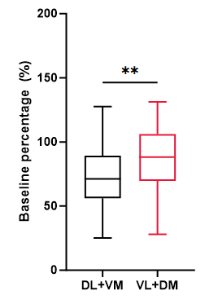
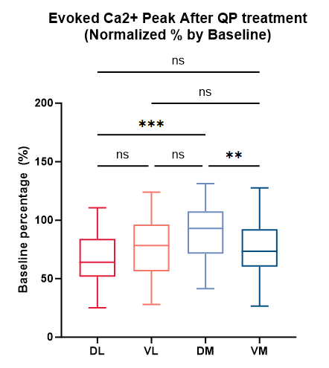
 |  |  |  |  |  |  |  |  | 676.09701 | 460.26889 | 68.077344404
 |  |  |  |  |  |  |  |  | 333.47088 | 276.74637 | 82.989666144
 |  |  |  |  |  |  |  |  | 261.6651 | 252.67912 | 96.565846955
 |  |  |  |  |  |  |  |  | 295.3978 | 277.00258 | 93.772729519
 |  |  |  |  |  |  |  |  | 406.85169 | 439.17563 | 107.9448951
 |  |  |  |  |  |  |  |  | 271.1971 | 218.8425 | 80.695000057
 |  |  |  |  |  |  |  |  | 272.03712 | 223.60568 | 82.196753149
 |  |  |  |  |  |  |  |  | 380.48548 | 328.74717 | 86.402027746
 |  |  |  |  |  |  |  |  | 781.25 | 414.94861 | 53.11342208
 |  |  |  |  |  |  |  |  | 405.83395 | 316.43948 | 77.972648666
 |  |  |  |  |  |  |  |  | 459.51481 | 323.99445 | 70.507945108
 |  |  |  |  |  |  |  |  | 382.74905 | 385.60192 | 100.74536305
 |  |  |  |  |  |  |  |  | 330.8227 | 261.17809 | 78.948055862
 |  |  |  |  |  |  |  |  | 295.35493 | 249.40918 | 84.44388587
 |  |  |  |  |  |  |  |  | 338.81406 | 427.34827 | 126.13061866
 |  |  |  |  |  |  |  |  | 374.21168 | 304.33777 | 81.327704683
 |  |  |  |  |  |  |  |  | 377.5876 | 275.90214 | 73.06970356
 |  |  |  |  |  |  |  |  | 349.49551 | 390.01419 | 111.59347655
 |  |  |  |  |  |  |  |  | 401.37318 | 402.26273 | 100.22162667
 |  |  |  |  |  |  |  |  | 391.35345 | 435.16088 | 111.19382747
 |  |  |  |  |  |  |  |  | 368.8878 | 292.34538 | 79.250487547
 |  |  |  |  |  |  |  |  | 208.58562 | 129.00472 | 61.847369919

